Sheet1
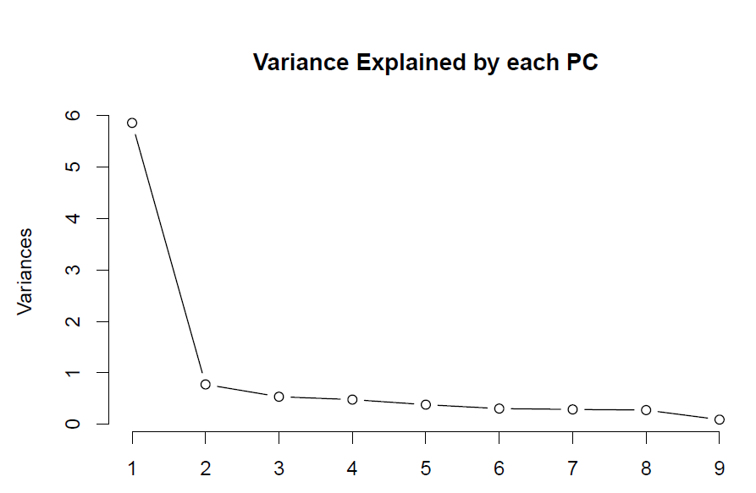
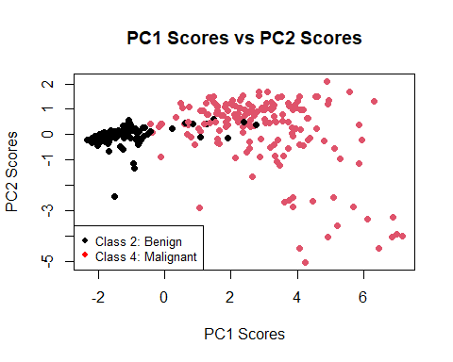

Figure 1: Scree Plot

 | Figure 2: Scatter Plot

